Document History
국민대학교 종합정보시스템 구축
업무기능분해도
Document History

No | Version | Change Date | Change Cause | Change Description | Author | Approver
1 | v1.0 | 10-02-2016 | new | Initial | Application Team | K.H.Ryu

SIT-OMC-MTN-01
▣ Scenario SIT-OMC-MTN-01

002. Download from OVMC / update firmware and parameter and sending version information to OVMC
OSCVM
OVMC
DMC
003. Parameter version inquiry at OVMC
004. Sending version information from OVMC to DMC
001. Install OSCVM and OVMC
DMC/AMC
OASA-MC
005. Data Receiving / Sending from DMC to AMC
006. Data Receiving / Sending from AMC to OASA MC
007. Receiving parameter version of equipment at OASA MC
▶ Desc & Flow
Description |  | S/W installation and send the result of verion to center(OASA MC) through the DMC/AMC
Biz flow

▶ Advance preparation
Preparation |  | OVMC, OSCVM(2 EA), DMC, AMC, OASA-MC 1ea

▶ Data
NO | Item | 1 | 2 | 3 | 4 | 5
1 | N/A

001
▶ Test Case SIT-OMC-MTN-01-001 : Install OSCVM and OVMC

1. Test Scenario
Test date |  | 1st |  | Tester |  | 1st
 |  | 2nd |  |  |  | 2nd
 |  | 3rd |  |  |  | 3rd

Input OSCVMs install information
Input OVMC install information
Send the installation information to DMC/download the operational files from DMC
Description |  | Install OSCVM and OVMC |  |  |  |  | Written by |  | KIM J.E.
Flow

NO | Task | Test data | Expected result | Person in charge | Result |  | Pass/Fail |  |  | Remark
 |  |  |  |  |  |  | 1st | 2nd | 3rd
1 | [Input OSCVMs install information] -. Enter setting menu (tap on the OSCVM with STAFF card) -. Select installation -. Input OSCVM id (2 digits : between 01 and 04) -. Select OSCVM sequence | Test data : A | Setting OK | KIM J.E. | 1st |  |  |  |  | Test Data:C
 |  |  |  |  | 2nd
 |  |  |  |  | 3rd
2 | [Input OVMC install information] -. Enter setting menu (press [set] button and input PIN "2580", PIN can be changed in the furture.) -. Select installation -. Input OVMC id and VEHICLE id | Test data : A | Setting OK | KIM J.E. | 1st |  |  |  |  | Test Data:D
 |  |  |  |  | 2nd
 |  |  |  |  | 3rd
3 | [Download operational files] -. Send the installation information to DMC -. Download the operational files from DMC | Test data : B | Download OK | KIM J.E. | 1st |  |  |  |  | Test Data:E
 |  |  |  |  | 2nd
 |  |  |  |  | 3rd

2. Test Data
NO | Item | Value
A | OVMC ID | OVMC ID : 220000001
 | OSCVM ID | OSCVM ID : 230000101, 230000102, 230000103, 230000104
 | VEHICLE ID | 1230001234(It can be changed)

B | The operational files | BUS Main Firmware
 |  | BUS Sub Firmware
 |  | BUS Main Voice
 |  | BUS Sub Voice
 |  | BUS Shared BL
 |  | BUS CDC (Changed Data Capture) BL
 |  | BUS Route Information
 |  | BUS RouteStop Information
 |  | BUS Operating Parameter Information(Vehicle)
 |  | BUS Driver Information
 |  | System Region Parameter
 |  | Profile Parameter
 |  | Pass Master Parameter
 |  | Transit Mode Parameter
 |  | Time Period Parameter
 |  | Card Issuer Information
 |  | Stage-set Parameter
 |  | Calendar Parameter
 |  | Daylight-Saving Parameter
 |  | Discount Profile

C | 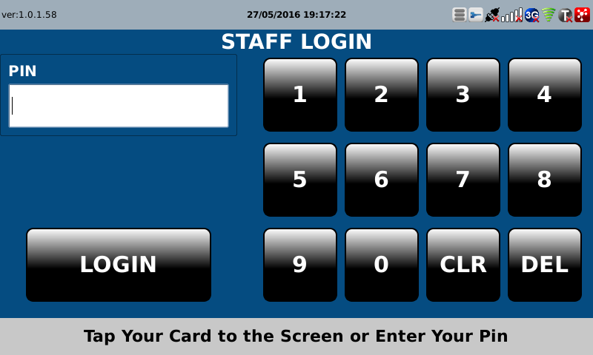 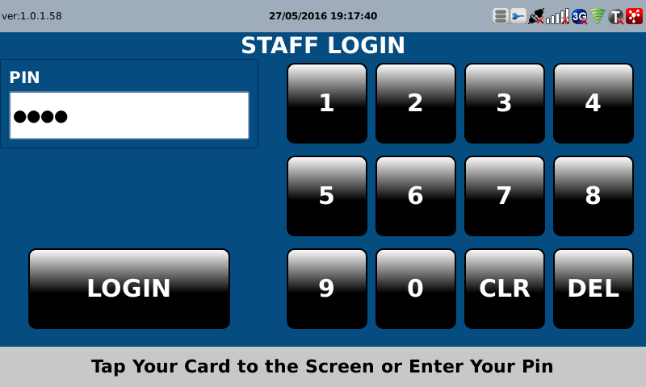

D | 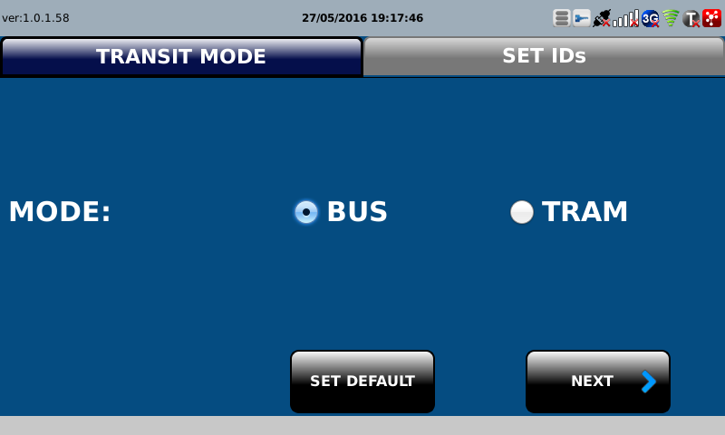 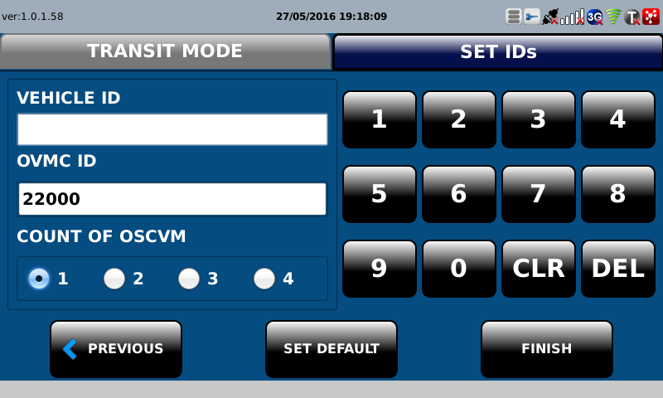 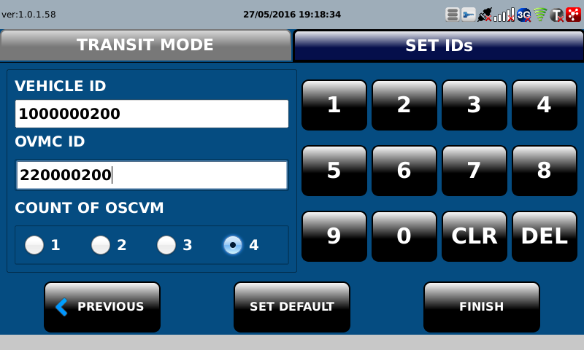

E | 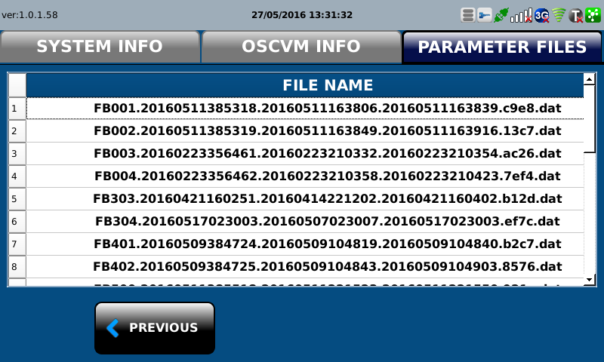 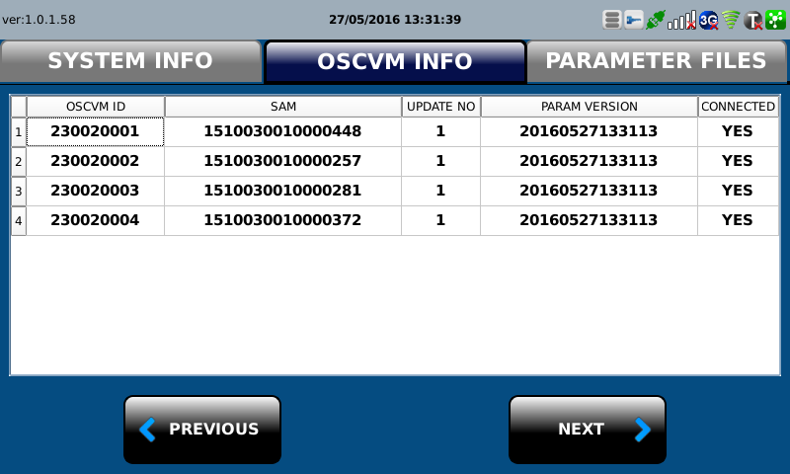

002
▶ Test Case SIT-OMC-MTN-01-002 : Download from OVMC / update firmware and parameter and sending version information to OVMC

1. Test Scenario
Test date |  | 1st |  | Tester |  | 1st
 |  | 2nd |  |  |  | 2nd
 |  | 3rd |  |  |  | 3rd

OSCVM receives operational files from OVMC, and send version information to OVMC
Receive the verion inforation of OSCVMs at OVMC
Description |  | Download from OVMC / update firmware and parameter and sending version information to OVMC |  |  |  |  | Written by |  | KIM J.E.
Flow

NO | Task | Test data | Expected result | Person in charge | Result |  | Pass/Fail |  |  | Remark
 |  |  |  |  |  |  | 1st | 2nd | 3rd
1 | [Download files from OVMC] -. OSCVM receives operational files from OVMC -. Send version information of received files(after saved) to OVMC | Test data : A | Receiving OK | KIM J.E. | 1st |  |  |  |  | Test Data:C
 |  |  |  |  | 2nd
 |  |  |  |  | 3rd
2 | Receive the verion information of OSCMVs at OVMC | Test data : B | Receiving OK | KIM J.E. | 1st |  |  |  |  | Test Data:C
 |  |  |  |  | 2nd
 |  |  |  |  | 3rd

2. Test Data
NO | Item | Value
A | The operational files | BUS Sub Firmware
 |  | BUS Sub Voice
 |  | BUS Shared BL
 |  | BUS CDC (Changed Data Capture) BL
 |  | BUS Route Information
 |  | BUS RouteStop Information
 |  | BUS Operating Parameter Information(Vehicle)
 |  | System Region Parameter
 |  | Profile Parameter
 |  | Pass Master Parameter
 |  | Transit Mode Parameter
 |  | Time Period Parameter
 |  | Card Issuer Information
 |  | Stage-set Parameter
 |  | Calendar Parameter
 |  | Daylight-Saving Parameter
 |  | Discount Profile
B | Version information | Version of Equipment (MA505)
C | 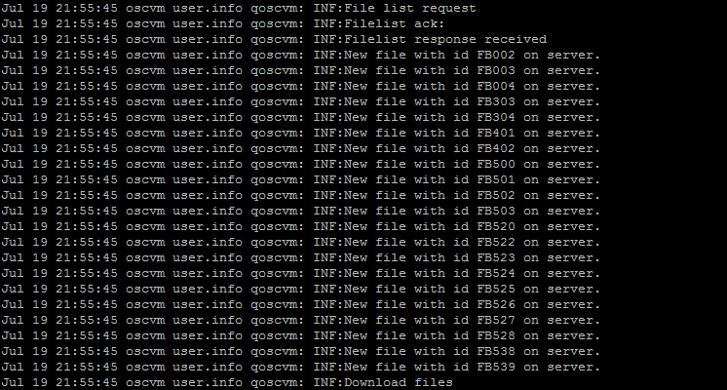 

003
▶ Test Case SIT-OMC-MTN-01-003 : Parameter version inquiry at OVMC

1. Test Scenario
Test date |  | 1st |  | Tester |  | 1st
 |  | 2nd |  |  |  | 2nd
 |  | 3rd |  |  |  | 3rd

OVMC inquiry and show the parameter verion.
Description |  | Parameter version inquiry at OVMC |  |  |  |  | Written by |  | KIM J.E.
Flow

NO | Task | Test data | Expected result | Person in charge | Result |  | Pass/Fail |  |  | Remark
 |  |  |  |  |  |  | 1st | 2nd | 3rd
1 | OVMC inquiry and show the parameter version -. Setting Menu -> Information -. Select the parameters TAB control | n/a | OVMC shown the parameter version list | KIM J.E. | 1st |  |  |  |  | Test Data:A
 |  |  |  |  | 2nd
 |  |  |  |  | 3rd

2. Test Data
NO | Item | Value
A | 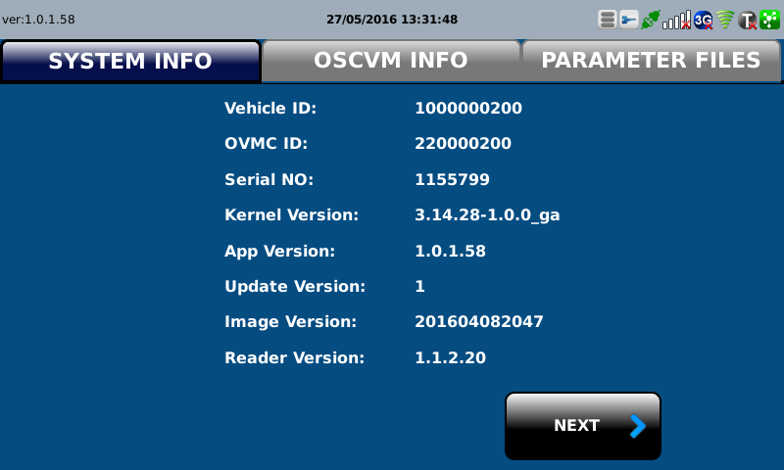

004
▶ Test Case SIT-OMC-MTN-01-004 : Sending version information from OVMC to DMC

1. Test Scenario
Test date |  | 1st |  | Tester |  | 1st
 |  | 2nd |  |  |  | 2nd
 |  | 3rd |  |  |  | 3rd

OVMC send the verion information to DMC
Receive the verion information at DMC
Description |  | Sending version information from OVMC to DMC |  |  |  |  | Written by |  | KIM J.E.
Flow

NO | Task | Test data | Expected result | Person in charge | Result |  | Pass/Fail |  |  | Remark
 |  |  |  |  |  |  | 1st | 2nd | 3rd
1 | OVMC send the version information to DMC | Version of Equipment (MA505) | Send OK | KIM J.E. | 1st |  |  |  |  | Test Data:A
 |  |  |  |  | 2nd
 |  |  |  |  | 3rd
2 | Receive the verion information at DMC | Version of Equipment (MA505) | Receive OK | LEE H. | 1st |  |  |  |  | Test Data:A
 |  |  |  |  | 2nd
 |  |  |  |  | 3rd

2. Test Data
NO | Item | Value
A

005
▶ Test Case SIT-OMC-MTN-01-005 : Data Receiving / Sending from DMC to AMC

1. Test Scenario
Test date |  | 1st |  | Tester |  | 1st
 |  | 2nd |  |  |  | 2nd
 |  | 3rd |  |  |  | 3rd

Receiving an OVMC's installation message from OVMC
Receiving an OSCVM's installation message from OVMC
Sending information of OVMC's installation AMC
Sending information of OSCVM's installation AMC
Description |  | Data Receiving / Sending from DMC to AMC |  |  |  |  | Written by |  | LEE H.
Flow

NO | Task | Test data | Expected result | Person in charge | Result |  | Pass/Fail |  |  | Remark
 |  |  |  |  |  |  | 1st | 2nd | 3rd
1 | [Receiving an OVMC's installation message from OVMC] 1. Menu: Bus > Device > Device 2. Input inquiry condition. 3. Click 'Search' button. | Test Data: A | 1. Show device list that meets the inquiry condition. | LEE. H | 1st
 |  |  |  |  | 2nd
 |  |  |  |  | 3rd
2 | [Sending information of OVMC's installation AMC] 1. Menu: Bus > Scheduler > History Of Sub Job Execution 2. Input inquiry condition. 3. Click 'Search' button. 4. Location: 'D:/AFCDATA/DEPOTMC/UPLOAD-BACKUP' | Test Data: B | 1. The Sub Job executes after receiving the message. 2. File Name: Linking Item(5).System ID(9).Creation Date(14).Sequence(5).dat | LEE. H | 1st
 |  |  |  |  | 2nd
 |  |  |  |  | 3rd
3 | [Receiving an OSCVM's installation message from OVMC] 1. Menu: Bus > Device > Device 2. Input inquiry condition. 3. Click 'Search' button. | Test Data: C | 1. Show device list that meets the inquiry condition. | LEE. H | 1st
 |  |  |  |  | 2nd
 |  |  |  |  | 3rd
4 | [Sending information of OSCVM's installation AMC] 1. Menu: Bus > Scheduler > History Of Sub Job Execution 2. Input inquiry condition. 3. Click 'Search' button. 4. Location: 'D:/AFCDATA/DEPOTMC/UPLOAD-BACKUP' | Test Data: D | 1. The Sub Job executes after receiving the message. 2. File Name: Linking Item(5).System ID(9).Creation Date(14).Sequence(5).dat | LEE. H | 1st
 |  |  |  |  | 2nd
 |  |  |  |  | 3rd

2. Test Data
NO | Item | Value
A | Device ID | 220000001
B | Main Job | [BD001] Jobs for Device Information
 | Sub Job | [BD00104] Send Main Device Installation
 | Linking Item | FB704(Bus) / FT704(Tram)
C | Device ID | 230000001
D | Main Job | [BD001] Jobs for Device Information
 | Sub Job | [BD00106] Send Sub Device Installation
 | Linking Item | FB709(Bus) / FT709(Tram)

006
▶ Test Case SIT-OMC-MTN-01-006 : Data Receiving / Sending from AMC to OASA MC

1. Test Scenario
Test date |  | 1st |  | Tester |  | 1st
 |  | 2nd |  |  |  | 2nd
 |  | 3rd |  |  |  | 3rd

Received installation information from DMC
Create file for sending informaiton file of installation
Description |  | Data Receiving from DMC and make information file of installaion for sending |  |  |  |  | Written by
Flow

NO | Task | Test data | Expected result | Person in charge | Result |  | Pass/Fail |  |  | Remark
 |  |  |  |  |  |  | 1st | 2nd | 3rd
1 | [Received installation information from DMC] 1. Received Device installation information Message from DMC 2. Excute ExecuteRcvFileDelegJob | Test Data : A | 1. Device event is Inquired | ROH S.W. | 1st
 |  |  |  |  | 2nd
 |  |  |  |  | 3rd
2 | [Create file for sending informaiton file of installation ] 1. Execute smartafc.bus.operinfo.samid.job.CreateAndSendSamIdJob 2. -Main Job : AD003 -Sub Job: AD00302 | Test Data : B | 1.installation information file is created under: AFCDATA/OSYMC/UPLOAD/ -FB710.createSystemId(9).creatdate(14).sequence(5).dat | ROH S.W. | 1st
 |  |  |  |  | 2nd
 |  |  |  |  | 3rd

2. Test Data
NO | Item | Value
A | Transit Mode Group | bus
 | Device Class Name | OVMC OSCVM
 | Device ID | 220000001
 | Occurrence Date | Current date
B | Linking Item ID | FB710
 | Cycle | Every 10 min

007
▶ Test Case SIT-OMC-MTN-01-007 : Receiving parameter version of equipment at OASA MC

1. Test Scenario
Test date |  | 1st |  | Tester |  | 1st
 |  | 2nd |  |  |  | 2nd
 |  | 3rd |  |  |  | 3rd

Received installation information from AMC
Inquiry of installation information
Description |  | Receiving parameter version of equipment at OASA MC |  |  |  |  | Written by
Flow

NO | Task | Test data | Expected result | Person in charge | Result |  | Pass/Fail |  |  | Remark
 |  |  |  |  |  |  | 1st | 2nd | 3rd
1 | [Received installation information from AMC] 1.Main Job : [AD004] ExecuteRcvFileDelegJob sub job : AD00401 Execution - smartafc.operation.batch.rcv.job.ExecuteRcvFileDelegJob | Test Data : A | 1. File is moved from /data001/AFCDATA/OASAMC/SHARERCV/ to ./data001/AFCDATA/OASAMC/SHARERCV-BACKUP/ | ROH S.W. | 1st
 |  |  |  |  | 2nd
 |  |  |  |  | 3rd
2 | [Received installation information from AMC] 1. Inquire test data. 2. Click 'Search' button. 3. Show data that meets the inquiry condition | Test Data : B | history Of Sub Job Execution data is inquired Execution Result: [02] Job Success | ROH S.W. | 1st
 |  |  |  |  | 2nd
 |  |  |  |  | 3rd
3 | [Inquiry of installation information] 1. Check at Operation > Receive > Device Installation Information 2. Inquire test data. 3. Click 'Search' button. | Test Data : C | installation data received from DMC is inquired. | ROH S.W. | 1st
 |  |  |  |  | 2nd
 |  |  |  |  | 3rd

2. Test Data
NO | Item | Value
A | Linking Item ID | FB710
B | System Class | Operation
 | Main Job | AD004
 | Sub Job | AD00401
 | Execution Date | Current date
C | Device Class Name | OVMC OSCVM
 | Device ID | 220000001
 | Occurrence Date | Current date
 | event Status | Occurrence
 | event Priority Level | Normal
 | Device ID | 950001011
 | Event Priority Level | all
 | event Status | Occurrence

